Sheet1
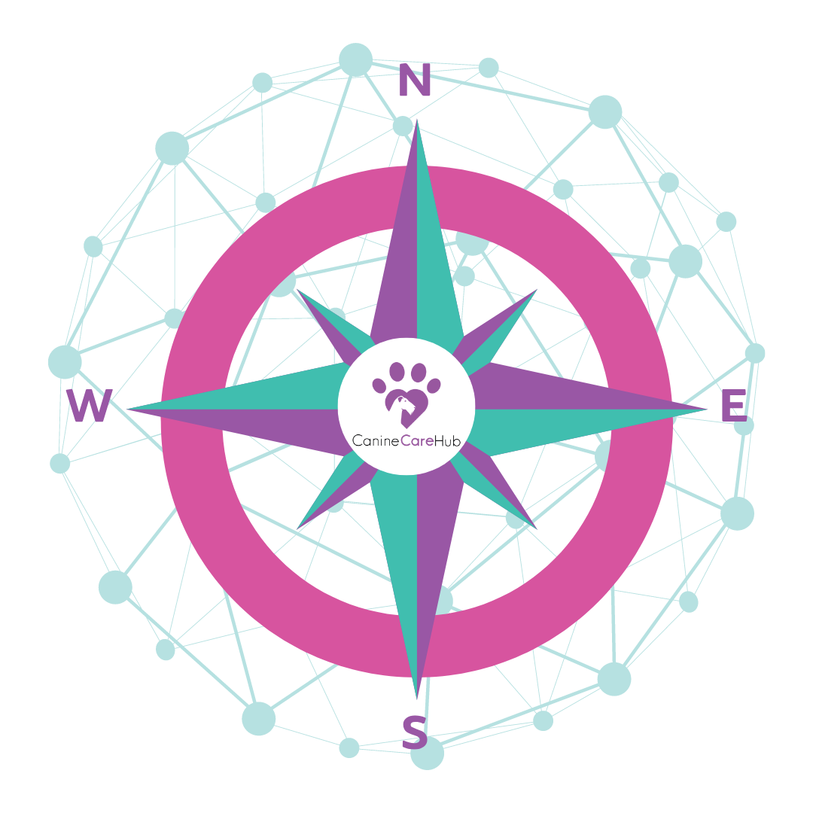

CONNECTION COMPASS

 |  | Here is your paw-some toolfor keeping track of who's who in your business world leading you to the right connections, helping you prioritise who to sniff out for potential collaborations.

Loyal Pack | Contacted | Outcome | Know-ish | Contacted | Outcomes | Potential Collaborators | Contacted | Outcome

